MIS OSDS DB Info
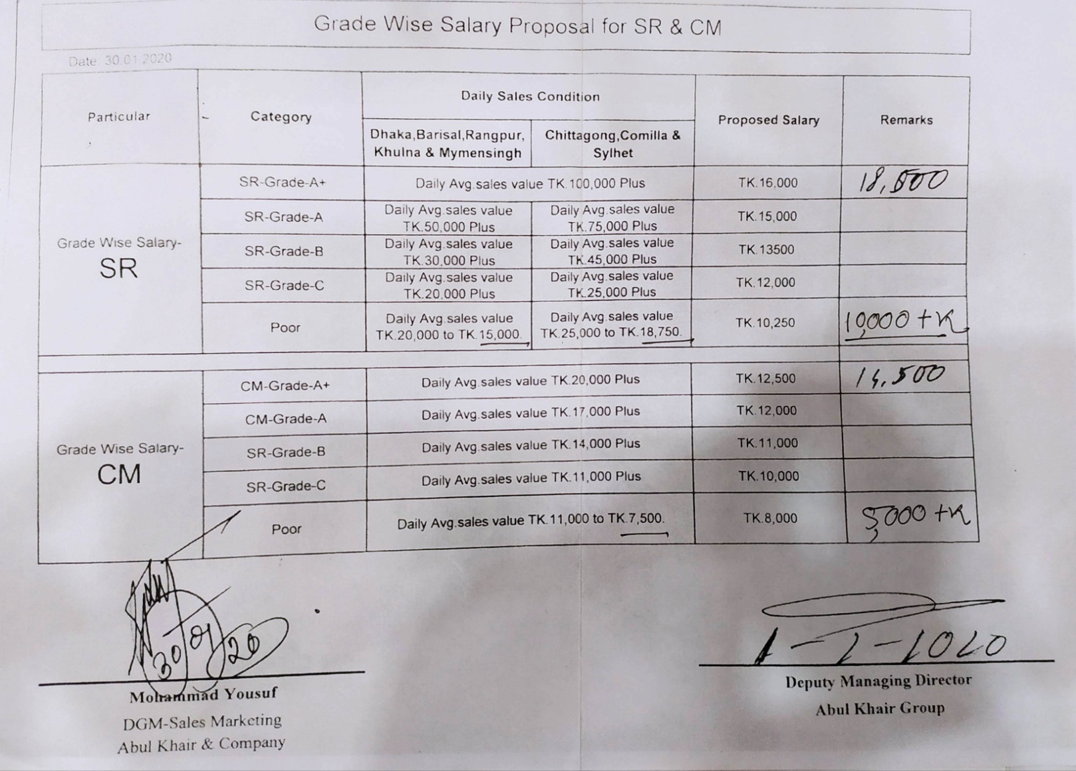
Designations |  | NodeID | Name | CGD MIS OSDS Database Info
SR-CPT | 1 | 382 | Dhaka North | DB Server IP | 10.10.1.195
CM-CPT | 8 | 383 | Dhaka South | DB User | itsupport
CSR-CPT | 19 | 384 | Dhaka East | DB Password | Support.02.2021
Same Rule for CM & CSR |  | 387 | Chittagong
 |  | 394 | Comilla
 |  | 460 | Sylhet | SR,CM sales information table: Daily_SR_SKU_Wise_Summary
 |  | 490 | Mymensing | Employee Info Table: Employees , Status: 16 (Active)
 |  | 498 | Barisal | Get Division of the Employee:
 |  | 500 | Rangpur | 1. Go to “Employees” Table. Get “SalesPointID”
 |  | 501 | Dhaka Institution Division | 2. Go to “SalesPointMHNode” Table. Get “NodeID” against the “SalesPointID”
 |  | 605 | Dhaka West | 3. Go to “MHNode” table. Get results for the “NodeID”
 |  | 613 | Dhaka Direct Sales Division | 4. Get “ParentID” and query in the same table with the “ParentID” as “NodeID” and get Territory, Region ,Division sequentially .

 |  |  |  | MHNode = Market Hierarchie Node

